Boulder
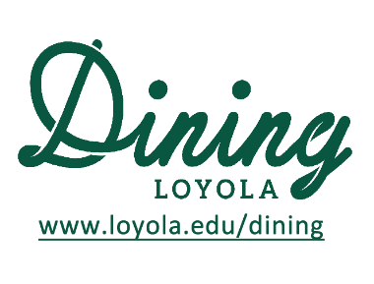
 |  | Summer 2024 Week 8
 |  | BOULDER MENU
 |  | 2024-07-01 | 2024-07-02 | 2024-07-03 | 2024-07-04 | 2024-07-05
 |  | Monday | Tuesday | Wednesday | Thursday | Friday
Soup | Breakfast 8:15-10:30a | Oatmeal with Fixings
 | Lunch 11:00a-2:00p | Chef's Choice | Chicken Noodle | Chef's Choice
Grill | Breakfast 8:15-10:30a | Made to Order Eggs, Bacon, Egg Sandwiches and Wraps, Tofu Scramble, Breakfast Potatoes
 | Lunch 11:00a-2:00p | Burgers and Cheeseburgers, Hand breaded Fried Chicken, Grilled Chicken, Fries etc.
 | Daily Special | Blackened Chicken Sandwich | Chef's Choice | Tuna Melts
Diner | Lunch 11:00a-2:00p | Baked Meat Lasagna Veggie Lasagna | Pulled BBQ Pork | Rotissere Chicken
 | Lunch 11:00a-2:00p | Spinach | Corn Bread Mac n Cheese | Mashed Potatoes
 | Lunch 11:00a-2:00p | Breadsticks | Green Beans | Roasted Broccoli
Salad Bar | Breakfast 8:15-10:30a | Daily selection of Fresh Fruit, Yogurt, Granola, Cereal, and Breakfast Pastries
 | Lunch 11:00a-2:00p | Seasonal Assortment of Fresh Greens, Vegetables, Cheeses, and Homemeade Dressings
Deli | Lunch 11:00a-2:00p | Deli Station - Featuring Boars Head Meats, Assorted Cheeses, Vegetables, Greens, Breads and Spreads
Please note that the menu is subject to change due to availability

